4. Generate Report
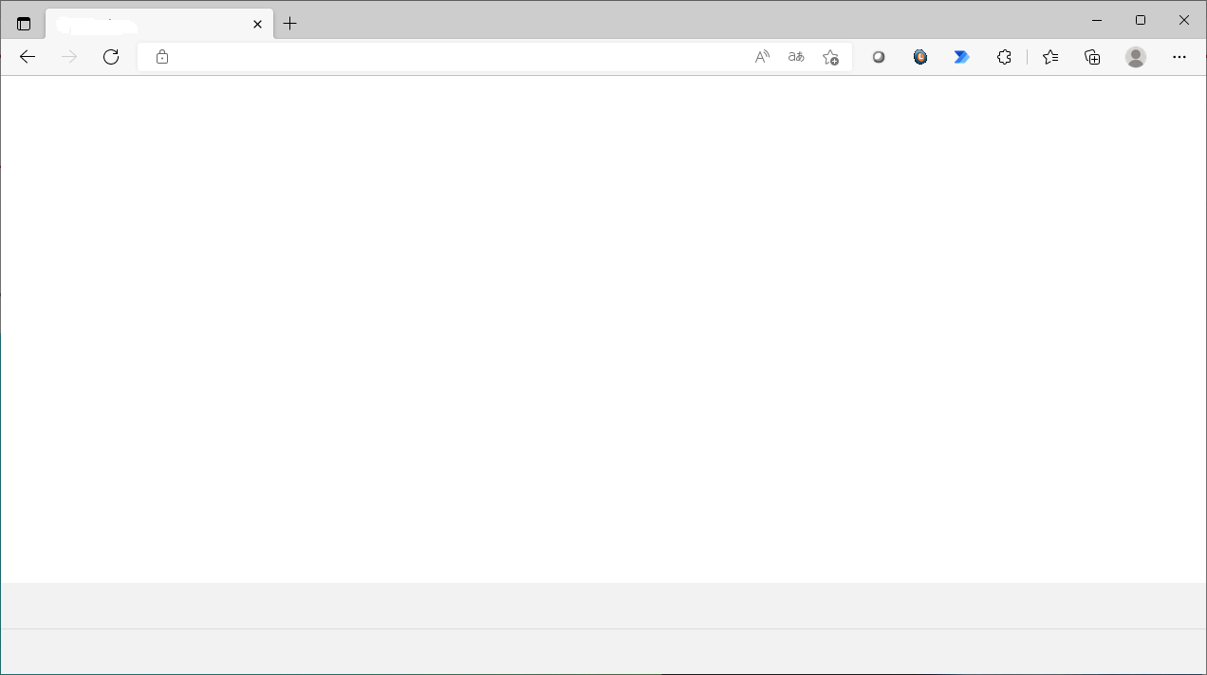
ITOP Tool
Gen Log Data
xxxxxxxxxxx | , | xxxxxxxxxxx,
xxxxxxxxxxx | , | xxxxxxxxxxx,
xxxxxxxxxxx | , | xxxxxxxxxxx,
-Select-
- Select -
VIN
DeviceID
IMSI
IMEI
xxxxxxxxxxx | , | xxxxxxxxxxx,
Submit VIN/DeviceId/IMSI/IMEI List - have VIN validation existing : show error by VIN when found invalid - when data is valid for all VIN , show popup total VIN
xxxxxxxxxxx | , | xxxxxxxxxxx,
Serach
xxxxxxxxxxx | , | xxxxxxxxxxx,
Login: xxxxx
Login Time:
Main menu
Single Serach
Mutiple Search
Recent job
Queue
Log out
xxxxxxxxxxx | , | xxxxxxxxxxx,
Single Serach
•
Mutiple search
1. Input the variables block by ",".
xxxxxxxxxxx | , | xxxxxxxxxxx,
xxxxxxxxxxx | , | xxxxxxxxxxx,
Input VIN1, VIN2, VIN3, ...
xxxxxxxxxxx | , | xxxxxxxxxxx,
xxxxxxxxxxx | , | xxxxxxxxxxx,
Default Tme Range
•
Customize
xxxxxxxxxxx | , | xxxxxxxxxxx,
Disable to use when serach mutiple.
Allow when come from Snap Report
xxxxxxxxxxx | , | xxxxxxxxxxx,
Report
If click from Snap Shot Retrieve Screen, System will put search criteria same as Snap shot Screen as Default
xxxxxxxxxxx | , | xxxxxxxxxxx,
xxxxxxxxxxx | , | xxxxxxxxxxx,
GENERAL_SERVICE
xxxxxxxxxxx | , | xxxxxxxxxxx,
⁄
DEVICE_ABNORMAL
xxxxxxxxxxx | , | xxxxxxxxxxx,
xxxxxxxxxxx | , | xxxxxxxxxxx,
⁄
PARAMETER_CONFIGURATION
xxxxxxxxxxx | , | xxxxxxxxxxx,
NOTIFY_SPECIAL_MODE
xxxxxxxxxxx | , | xxxxxxxxxxx,
xxxxxxxxxxx | , | xxxxxxxxxxx,
DEALER WARNING
xxxxxxxxxxx | , | xxxxxxxxxxx,
xxxxxxxxxxx |  | xxxxxxxxxxx

Select log

Go to Reporting (2.)

xxxxxxxxxxx, |  | xxxxxxxxxxx, | xxxxxxxxxxx, | xxxxxxxxxxx, | xxxxxxxxxxx, | xxxxxxxxxxx, | xxxxxxxxxxx, | xxxxxxxxxxx, | xxxxxxxxxxx, | xxxxxxxxxxx, | xxxxxxxxxxx, | xxxxxxxxxxx, | xxxxxxxxxxx, | xxxxxxxxxxx, | xxxxxxxxxxx, | xxxxxxxxxxx, | xxxxxxxxxxx, | xxxxxxxxxxx, | xxxxxxxxxxx, | xxxxxxxxxxx, | xxxxxxxxxxx, | xxxxxxxxxxx, | xxxxxxxxxxx, | xxxxxxxxxxx
xxxxxxxxxxx,
xxxxxxxxxxx,
xxxxxxxxxxx,
xxxxxxxxxxx,
xxxxxxxxxxx,
xxxxxxxxxxx,
xxxxxxxxxxx,
xxxxxxxxxxx,
xxxxxxxxxxx,
xxxxxxxxxxx,
xxxxxxxxxxx,
xxxxxxxxxxx,
xxxxxxxxxxx,
xxxxxxxxxxx,
xxxxxxxxxxx,
xxxxxxxxxxx,
xxxxxxxxxxx,
xxxxxxxxxxx,
xxxxxxxxxxx,
xxxxxxxxxxx,
xxxxxxxxxxx,
xxxxxxxxxxx

6. Report Monitoring
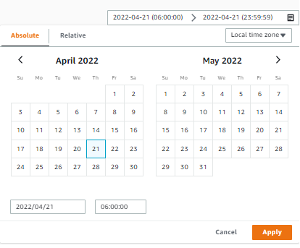

Report Status
1. Complete
2. On Process
3. On Queue
4. Fail
Popup calendar

TMT want to add COLUMN of DeviceId, IMSI, IMEI after VIN
Administrator can be change Piority
Search the report

Status
-select-
Request date
Search
User
user
Vin Number
vin

Single Search
Request ID | Request Timestamp | Priority | User | VIN | Job ID | Log Name | Period from | Period to | Status | Management
Jajah_RTimeSTMP | dd/mm/yyyy hh:mm:ss | 1 | Jajah | MRG00xxxxxxxx | xxx_0001 | Report | dd/mm/yyyy hh:mm:ss | dd/mm/yyyy hh:mm:ss | Complete | On Process
 |  |  |  |  | xxx_0002 | Genneral service | dd/mm/yyyy hh:mm:ss | dd/mm/yyyy hh:mm:ss | On process
Link to Snap data page (1.1)
Admin can be cancel reuest
 |  |  |  |  | xxx_0003 | DEVICE_ABNORMAL | dd/mm/yyyy hh:mm:ss | dd/mm/yyyy hh:mm:ss | On process
 |  |  |  |  | xxx_0004 | PARAMETER_CONFIGURATION | dd/mm/yyyy hh:mm:ss | dd/mm/yyyy hh:mm:ss | On process
 |  |  |  |  | xxx_0005 | NOTIFY_SPECIAL_MODE | dd/mm/yyyy hh:mm:ss | dd/mm/yyyy hh:mm:ss | On process
 |  |  |  |  | xxx_0006 | DEALER WARNING | dd/mm/yyyy hh:mm:ss | dd/mm/yyyy hh:mm:ss | On process
Multiple Search
Samran_RTimeSTMP | dd/mm/yyyy hh:mm:ss | 2 | Samran | MRG00xxxxxxxx1 | xxx_0007 | Report | dd/mm/yyyy hh:mm:ss | dd/mm/yyyy hh:mm:ss | - | Complete
 |  |  |  |  | xxx_0008 | Genneral service | dd/mm/yyyy hh:mm:ss | dd/mm/yyyy hh:mm:ss | -
 |  |  |  |  | xxx_0009 | DEVICE_ABNORMAL | dd/mm/yyyy hh:mm:ss | dd/mm/yyyy hh:mm:ss | Complete
Report Status
1. Complete -> download link.
2. On Process
3. On Queue
5. Fail
5. - (Not search or No result) (or Not show?)
 |  |  |  |  | xxx_0010 | PARAMETER_CONFIGURATION | dd/mm/yyyy hh:mm:ss | dd/mm/yyyy hh:mm:ss | -
 |  |  |  |  | xxx_0011 | NOTIFY_SPECIAL_MODE | dd/mm/yyyy hh:mm:ss | dd/mm/yyyy hh:mm:ss | -
 |  |  |  |  | xxx_0012 | DEALER WARNING | dd/mm/yyyy hh:mm:ss | dd/mm/yyyy hh:mm:ss | -
 |  |  |  | MRG00xxxxxxxx2 | xxx_0013 | Report | dd/mm/yyyy hh:mm:ss | dd/mm/yyyy hh:mm:ss | - | Cancel
 |  |  |  |  | xxx_0014 | Genneral service | dd/mm/yyyy hh:mm:ss | dd/mm/yyyy hh:mm:ss | -
 |  |  |  |  | xxx_0015 | DEVICE_ABNORMAL | dd/mm/yyyy hh:mm:ss | dd/mm/yyyy hh:mm:ss | On Queue
 |  |  |  |  | xxx_0016 | PARAMETER_CONFIGURATION | dd/mm/yyyy hh:mm:ss | dd/mm/yyyy hh:mm:ss | -
 |  |  |  |  | xxx_0017 | NOTIFY_SPECIAL_MODE | dd/mm/yyyy hh:mm:ss | dd/mm/yyyy hh:mm:ss | -
Request job status
1. Complete
2. On Process
3. On Queue - Can be cancel by admin or job owner
4. Fail
 |  |  |  |  | xxx_0018 | DEALER WARNING | dd/mm/yyyy hh:mm:ss | dd/mm/yyyy hh:mm:ss | -

How to change queue by admin
1. Set piority
2. Cancel on queue job and create the new job
* On process job can't be cancel

16. Full Report
Fixed
System Filled
Manual Attached
User Filled
Check list |  |  |  |  |  | T-Connect Result
No | Table name | Server / Device | Purpose of checking | Possible Causes of NG | ค่า OK / NG | Result | Check Result (user filled) | Remark for Developer
1 | [Index] VIN-index (ACT_LDCM_DEVICE: LDCMID) | DynamoDB | To check if this VIN is L-DCM or not (MSISDN = phone number was encript) | - Non L-DCM car - Incorrect SIM - Incorrect VIN | Found / Not found | MSISDN |  | Check value in Result: If have value of MSISDN Then Show "Found" Else show "Not found"
Analyze column show OK or NG
if possible
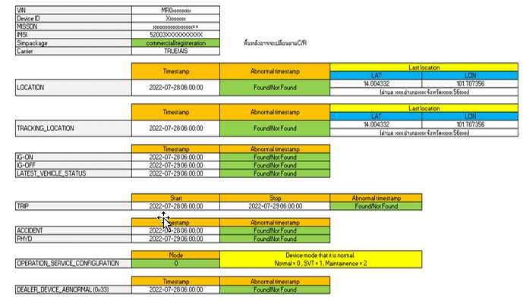
TMT want to add COLUMN of Vehicle Info : Carmodel , Series, Cargrade
 |  |  | To check the IMSI for matching with carrier description (No. 17) |  |  | IMSI
2 | [Table] com-ACT_SIM_Package | DynamoDB | Must be commercial To check if the sim is commercial yet | Not commercial package so need to escalate to SE | Match / Not match | Sim package |  | Check value in Result: If value = "Commercial" Then Show "Match" Else show "Not Match"
4 | [Table] com-LOCATION | DynamoDB | To check if the latest location date match the customer's information and No invalid timestamp. Note: In case found one, ITO will process to delete. | 1. Not found location data --> May be still be R-Package 2. No latest update for long time due connection issue (Match carrier check no.17) 3. Wrong timestamp 4. Wrong GPS location (out of range) 5. CAL flag shows "I" | Match / Not match | Lastest normal timestamp: yyyy-mm-dd HH:mi:ss TH (If have) Lastest invalid timestamp: yyyy-mm-dd HH:mi:ss TH (If have) | found invalid timestamp 2106 but don’t need to delete because lost connection. Last location is 2022-02-27 00:36:06 TH | No System evaluation (for OK/NG) from [Table] com-LOCATION need to display 2 timestamp value 1. Last normal timestamp 2. Last invalid timestamp invalid timestamp mean when bring that timestampe(TH) minus with current timestamp(TH) it is more than 24 hours
5 |  | DynamoDB | To check if Lat Long in the log look normal or not. Note: If normal, it would be changes from time to time, not repeat. pls noted that if vehicle is in no GPS signal area (ex. In the building, Basement), it will send latest GPS location all the time until it capture GPS signal. Lat, Lon value still in the range. (Lat : 0-90. Lon : 0-180) | - Device works abnormally - Customer have not used the car since latest updated date. (Relate to acceptable period and match customer's information) | Match / Not match | Latest LAT,LON at 14.578803, 100.475672 | GPS normal, | No System evaluation (for OK/NG) Show value fo GPS which match to Last normal timestamp
6 | Find My Car location update | Find My Car website | To check the latest update location and date of car in Find My Car function which should match the location teble |  |  | For attached image
7 | [Table] com-TRACKING_LOCATION | DynamoDB | To only check if there is any invalid timestamp or not as this table will only be updated when SVT mode on. Note: In case found one, ITO will process to delete. | - Device works abnormally Note: If no updated data after turn on SVT mode, device may already transited to sleep mode (3 days after last connection) | Not found / have invalid time stamp | Lastest normal timestamp: yyyy-mm-dd HH:mi:ss TH (If have) Lastest invalid timestamp: yyyy-mm-dd HH:mi:ss TH (If have) |  | No System evaluation (for OK/NG) from [Table] com-TRACKING_LOCATION need to display 2 timestamp value 1. Last normal timestamp 2. Last invalid timestamp invalid timestamp mean when bring that timestampe(TH) minus with current timestamp(TH) it is more than 24 hours
 |  | DynamoDB | To check if Lat Long in the log look normal or not. Note: If normal, it would be changes from time to time, not repeat. pls noted that if vehicle is in no GPS signal area (ex. In the building, Basement), it will send latest GPS location all the time until it capture GPS signal. Lat, Lon value still in the range. (Lat : 0-90. Lon : 0-180) | - Device works abnormally - Customer have not used the car since latest updated date. (Relate to acceptable period and match customer's information) | Match / Not match | Latest LAT,LON at 14.578803, 100.475672 | Tracking location has no | No System evaluation (for OK/NG) Show value fo GPS which match to Last normal timestamp
10 | [Table] com-IG_ON | DynamoDB | To check if the latest date of IG On match the customer's information and location information and No abnormal timestamp. Note: In case found one, ITO will process to delete. | - Device works abnormally - Customer have not used the car since latest updated date. (Relate to acceptable period and match customer's information) | Match / Not match | Lastest normal timestamp: yyyy-mm-dd HH:mi:ss TH (If have) Lastest invalid timestamp: yyyy-mm-dd HH:mi:ss TH (If have) | Last IG on is 2022-02-26 23:06:05 TH | No System evaluation (for OK/NG) from [Table] com-IG_ON need to display 2 timestamp value 1. Last normal timestamp 2. Last invalid timestamp invalid timestamp mean when bring that timestampe(TH) minus with current timestamp(TH) it is more than 24 hours
11 | [Table] com-IG_OFF | DynamoDB | To check if the latest date of IG Off match the customer's information and location information and No abnormal timestamp. Note: In case found one, ITO will process to delete. | - Device works abnormally - Customer have not used the car since latest updated date. (Relate to acceptable period and match customer's information) | Match / Not match | Lastest normal timestamp: yyyy-mm-dd HH:mi:ss TH (If have) Lastest invalid timestamp: yyyy-mm-dd HH:mi:ss TH (If have) | Found abnormal timestamp 2106 but don’t need to delete because lost connection. Last IG off is 2022-02-27 00:36:55 TH | No System evaluation (for OK/NG) from [Table] com-IG_OFF need to display 2 timestamp value 1. Last normal timestamp 2. Last invalid timestamp invalid timestamp mean when bring that timestampe(TH) minus with current timestamp(TH) it is more than 24 hours
12 | [Table] com-LATEST_VEHICLE_STATUS | DynamoDB | To only check if there is any invalid timestamp or not and must match with IG-Off Note: In case found one, ITO will process to delete. | - Device works abnormally - Customer have not used the car since latest updated date. (Relate to acceptable period and match customer's information) | Not found / have invalid time stamp | Lastest vehicle status timestamp: yyyy-mm-dd HH:mi:ss TH (If have) Lastest vehicle status VIN LAT,LON at 14.578803, 100.475672 (If have) | LATEST VEHICLE STATUS is 2022-02-27 00:36:55 TH | No System evaluation (for OK/NG) System get value of timestamp and Location from [Table] com-LATEST_VEHICLE_STATUS by VIN (expected to have only 1 record per VIN)
13 | [Table] com-TRIP | DynamoDB | To only check if there is any invalid timestamp or not and must with IG-Off Note: In case found one, ITO will process to delete. | - Device works abnormally | Not found / have invalid time stamp | Latest normal trip ID = [start trip timestamp][end trip timestamp] = Start trip timestamp : yyyy-mm-dd HH:mi:ss TH End trip timestamp : yyyy-mm-dd HH:mi:ss TH 'Latest invalid trip ID = [start trip timestamp][end trip timestamp] = Start trip timestamp : yyyy-mm-dd HH:mi:ss TH End trip timestamp : yyyy-mm-dd HH:mi:ss TH | Last Trip ID is 2022-02-26 23:06:05 TH and 2022-02-27 00:36:55 TH | No System evaluation (for OK/NG) System get Lastest normal/invalid value of tripID and convert to timestamp from [Table] com-TRIP by VIN tripId is [YYYYMMDDHHMISS][YYYYMMDDHHMISS] = [start trip timestamp][end trip timestamp] invalid timestamp mean when bring that timestampe(TH) minus with current timestamp(TH) it is more than 24 hours
14 | [Table] com-ACCIDENT | DynamoDB | To only check if there is any invalid timestamp or not | - Device works abnormally | Not found / have invalid time stamp | Latest accident normal timestamp : yyyy-mm-dd HH:mi:ss TH (If have) G-Sensor value : XX.XX Latest accident invalid timestamp : yyyy-mm-dd HH:mi:ss TH (If have) G-Sensor value : XX.XX | Accident has no | No System evaluation (for OK/NG) System get Lastest normal timestamp and G-Sensor value of Accident data Lastest invalid timestamp and G-Sensor value of Accident data invalid timestamp mean when bring that timestampe(TH) minus with current timestamp(TH) it is more than 24 hours
15 | [Table] com-PHYD | DynamoDB | To only check if there is any invalid timestamp or not | - Device works abnormally | Not found / have invalid time stamp | Lastest normal timestamp: yyyy-mm-dd HH:mi:ss TH (If have) Lastest invalid timestamp: yyyy-mm-dd HH:mi:ss TH (If have) | Last PHYD on is 2022-02-27 00:36:04 TH | No System evaluation (for OK/NG) from [Table] com-PHYD need to display 2 timestamp value 1. Lastest normal timestamp 2. Lastest invalid timestamp invalid timestamp mean when bring that timestampe(TH) minus with current timestamp(TH) it is more than 24 hours
16 | Check vehicle info. | T-Connect website | To check the vehicle information such as Mileage, Fuel and Vehicle status |  |  | For attached image
17 | com-PRECNV_CONFIGURATION (0x81) | Cloudwatch (More in detail/ Evidence) | To check connection between device and server. It must relate with IG on data. | - Connection issue - Device issue | Match / Not match or lost for more than 7 days | Found device and server last connection at 2022-02-27 00:37:02 TH (If have) | Found device and server last connection at 2022-02-27 00:37:02 TH (on cloud watch) | No System evaluation (for OK/NG) System show Lastest timestamp from com-PRECNV_CONFIGURATION LOG from Data in 12. PARAMETER_CONFIGURAT(0x81) Report
18 | Carrier Description | Carrier Portal | To check if the IMSI matches |  |  | For attached image
 | Connection activity |  | To check the activity of connnection Add example of normal display (the display show the same or not when engine on/off?) |  |  | For attached image | AIS portal found lost connection in the last 7 days.
 | Confirmation |  | To get the confirmation description from carrier side From issue ticket to carrier |  |  | For attached image | From the investigation past 30 days, we didn't find a log of IMSI:520039300183452 connected to the network. Please check the customer's equipment.
19 | [Table] com-OPERATION_SERVICE_CONFIGURATION | DynamoDB | To check device mode that it is normal. Normal = 0 SVT = 1 Maintainence = 2 blank = not match | - SVT mode - Maintainenance mode (OBD port / ECU remap) | Match (show = 0) | Normal:0 / SVT:1 / Maintenance:2 / Not match:- |  | System get value of TRASITION_TARGET_MODE_DISPLAY from [Table] com-OPERATION_SERVICE_CONFIGURATION by VIN (expected to have only 1 record per VIN) and to display in Result will be like When value = 0 then show = Normal:0 When value = 1 then show = SVT:1 When value = 2 then show = Maintenance:2 When not have value then show = Not match:- In column "ค่า OK/NG" will show Match(If value = 0) else show Not Match
20 | [Table] ,DEALER_DEVICE_ABNORMAL (0x33) | Cloudwatch (More in detail/ Evidence) | To check GPS module log. If there is one in log, it can mean that device works abnormally at that time. | Device is working abnormally | Not found or Long time ago log / Found on the related period | For attached file | Device abnormal mode caputure=0 its mean working normal
 | [Table] com-DEVICE_ABNORMAL | DynamoDB | To only check if there is any invalid timestamp or not | Device is working abnormally | Found / Not found | Lastest normal timestamp: yyyy-mm-dd HH:mi:ss TH (If have) Lastest invalid timestamp: yyyy-mm-dd HH:mi:ss TH (If have) |  | System get Lastest timestamp from [Table] com-DEVICE_ABNORMAL need to display 2 timestamp value 1. Lastest normal timestamp 2. Lastest invalid timestamp invalid timestamp mean when bring that timestampe(TH) minus with current timestamp(TH) it is more than 24 hours and when Lastest invalid timestamp have In column "ค่า OK/NG" will show Found else show Not found

